Github
User: | AllianceWebcoop
Password: | webcoopp@sswordasi2020

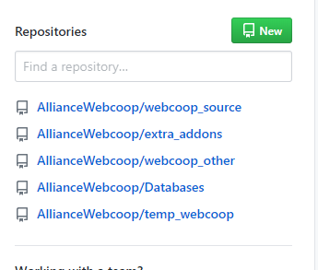

Webcoop Source Code

Database Release Backup

Server
1. Accessing AWS Console

Access to AWS Console: |  | https://aws.amazon.com/
AWS Account Credential:
Account ID |  | 180918087605
Username |  | rsayson@asi-dev2.com
Password |  | 7{sTmqBJn0#g2020

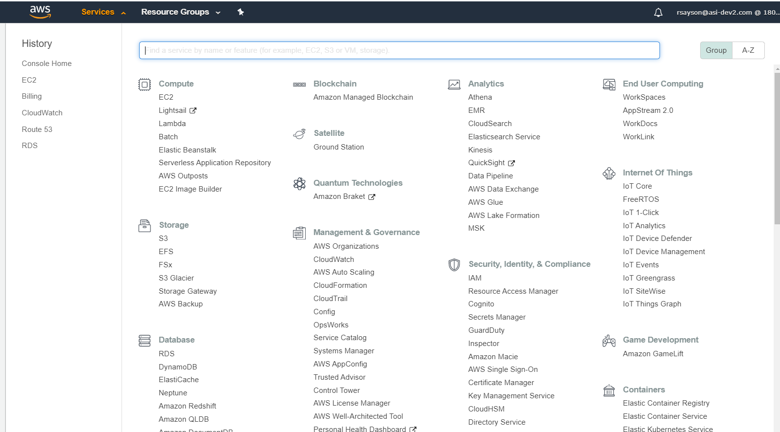
Select EC2

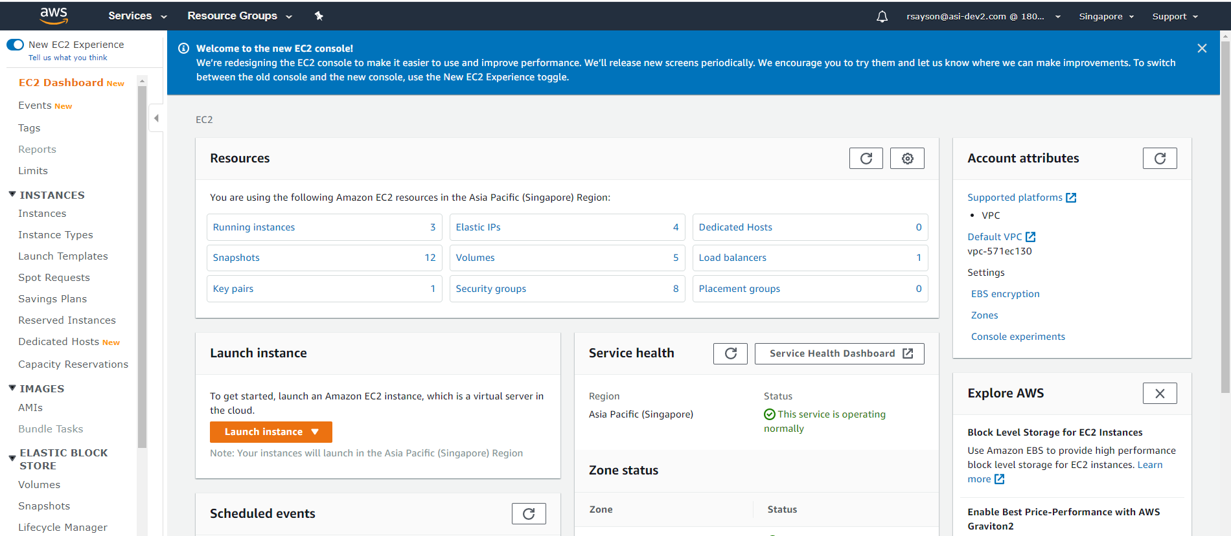
Select Running Instances

Running Intsances

2. Accessing File Server

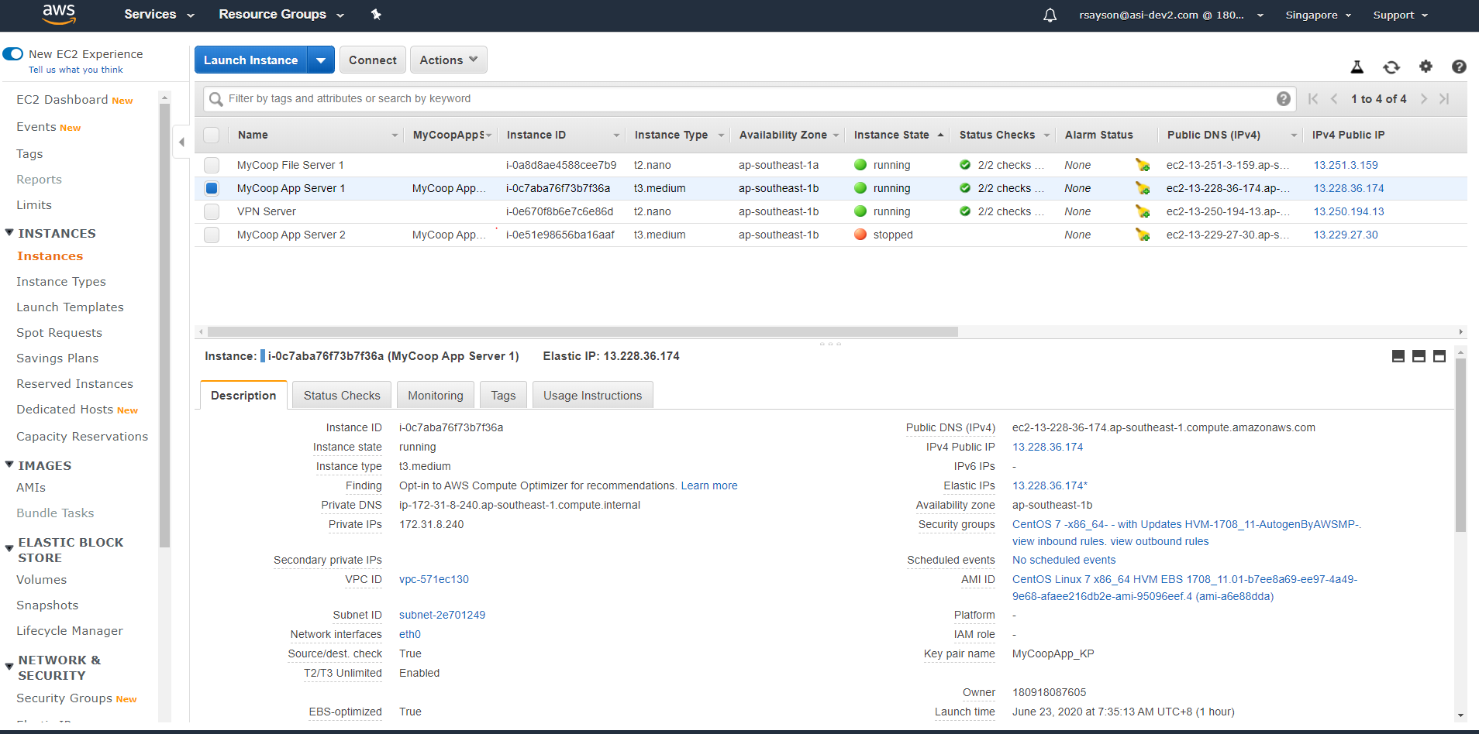
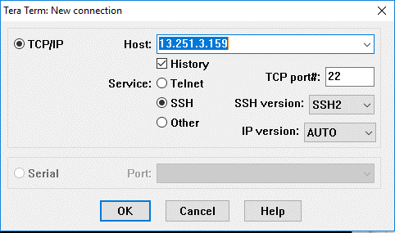
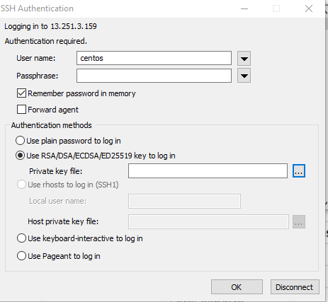
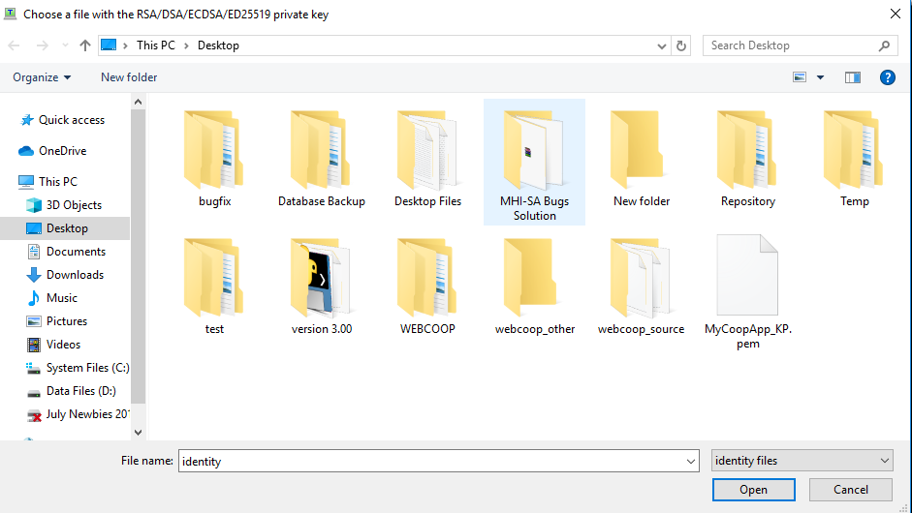
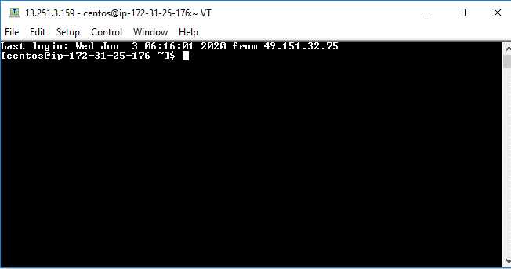
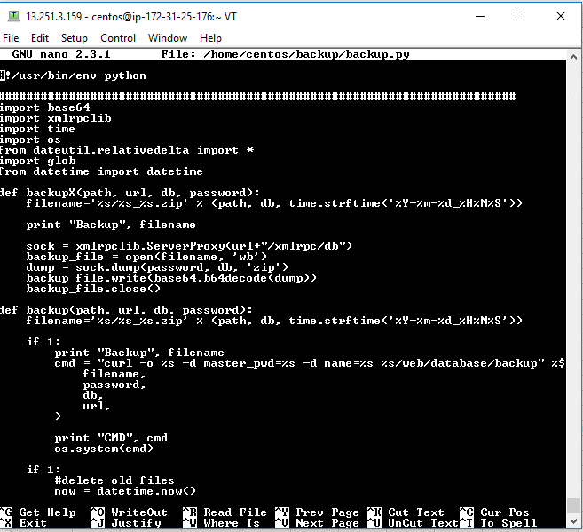
Current and Only App server used in production release.
File Server
Secured by my PC current IP (Updated after turnover)
Input File Server Ip Address
Input "centos" for username
Select "Use RSA/DSA/ECDSA.."
Select MyCoopApp_KP.pem.
Location:(AllianceWebcoop/webcoop_other/key)
Connected to File Server
Example of file inside the file server . Please refer to webcoop_other/manual/AWS_console_access.xlsx
for additional Information

 | File server IP Address : |  | 13.251.3.159
 | App Server IP Address: |  | 13.228.36.174

1. Open Teraterm

